Energy_item
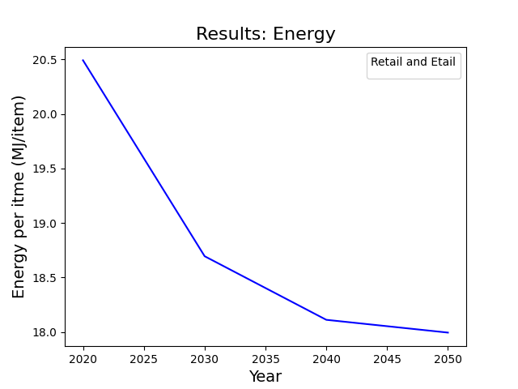
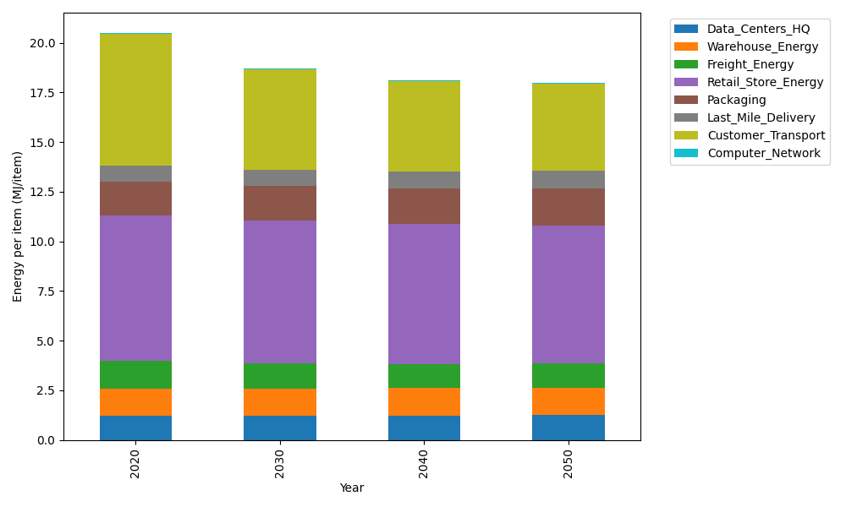
Years | Data_Centers_HQ | Warehouse_Energy | Freight_Energy | Retail_Store_Energy | Packaging | Last_Mile_Delivery | Customer_Transport | Computer_Network | Total
2020 | 1.2374445811 | 1.3412464395 | 1.4114748958 | 7.3083479072 | 1.6923873304 | 0.81622086656 | 6.6415937519 | 0.04294595412 | 20.491661727
2030 | 1.2397104132 | 1.3559820134 | 1.2670101222 | 7.1840995563 | 1.7460151156 | 0.80340205807 | 5.0503935095 | 0.047767671817 | 18.69438046
2040 | 1.2422772399 | 1.372675071 | 1.2190720581 | 7.0433459694 | 1.8067668525 | 0.8429169348 | 4.5308693904 | 0.053229909791 | 18.111153426
2050 | 1.2443396335 | 1.386087607 | 1.2375675201 | 6.9302532933 | 1.8555796511 | 0.90334004337 | 4.3790825017 | 0.057618708138 | 17.993868958

CO2_item
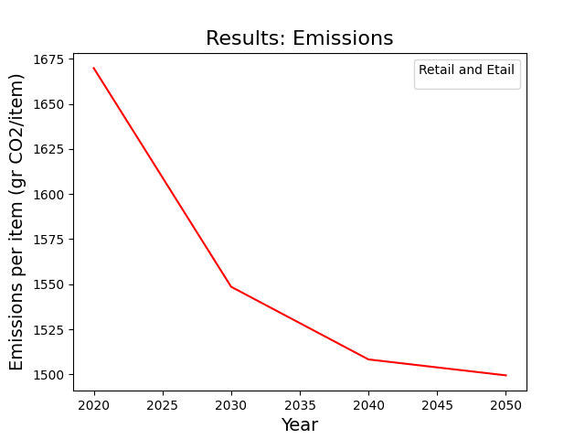
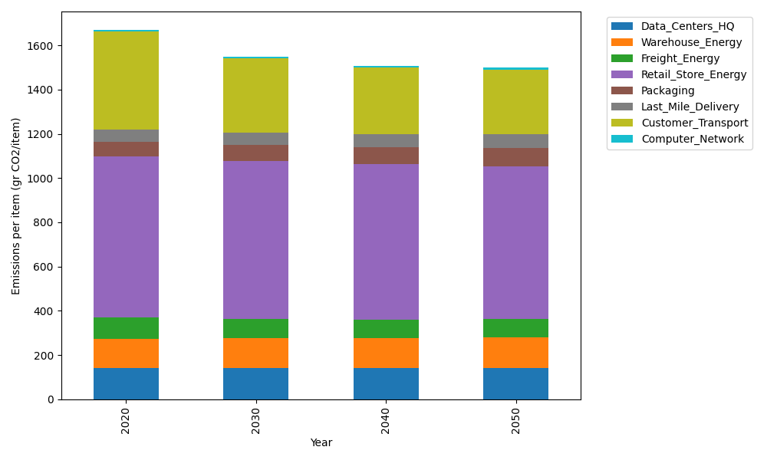
Years | Data_Centers_HQ | Warehouse_Energy | Freight_Energy | Retail_Store_Energy | Packaging | Last_Mile_Delivery | Customer_Transport | Computer_Network | Total
2020 | 140.15112077 | 133.89518485 | 96.129898542 | 728.82690446 | 65.593809341 | 56.027953388 | 441.95997732 | 7.2439863524 | 1669.828835
2030 | 140.45008131 | 135.37273173 | 86.128263625 | 716.4362052 | 70.938397138 | 55.148030277 | 336.07472608 | 8.0572982909 | 1548.6057336
2040 | 140.78875597 | 137.04655696 | 82.74121646 | 702.39951697 | 76.992963632 | 57.860455017 | 301.50337522 | 8.9786511435 | 1508.3114914
2050 | 141.06087425 | 138.39144186 | 83.933324462 | 691.12132031 | 81.857686032 | 62.00808619 | 291.40282821 | 9.718939629 | 1499.4945009

